BOP
 |  |  |  |  |  |  |  |  |  | © APT 2003 | Copyright PMMS Consulting Group 2005

 |  |  |  |  |  |  |  | Contract #
 |  |  |  |  |  |  |  | Project/Contract Title:
 |  |  |  |  |  |  |  | Program:
 |  |  |  |  |  |  |  | Last Modified: | 6/20/18
Balance of Power

 | Procurement Factor | Weighting 5=important 1=not important | Buyer Strong |  |  | Supplier Strong | Notes and Actions
 | Number of acceptable suppliers | 1 | 0 | 5 | 0
 | Production or service capacity available in the market now from suitable suppliers | 1 | 0 | 5 | 0
 | Existing share of acceptable suppliers current capacity | 1 | 0 | 5 | 0
 | Demand Growth for product or service required | 1 | 0 | 5 | 0
 | Possibilities for substitution | 1 | 0 | 5 | 0
 | Knowledge of product cost breakdown | 1 | 0 | 5 | 0
 | Knowledge of suppliers' pricing policy | 1 | 0 | 5 | 0
 | Logistics factors e.g. location or transport issues | 1 | 0 | 5 | 0
 | Attractiveness to relevant suppliers | 1 | 0 | 5 | 0
 | Barriers hindering a change of supplier (e.g. cost of change or inflexible specifications) | 1 | 0 | 5 | 0
 | User Specified…. | 1 | 0 | 5 | 0
0 | 1
 | User Specified…. | 1 | 0 | 5 | 0
BUYER
STRONG
NEUTRAL
SUPPLIER
STRONG
 |  |  |  | 0
100
100
 |  |  |  | Balance of Power is NEUTRAL

© PMMS Consulting Group Pty Ltd. NSW Government entities (including local councils) are permitted to use and adapt this document. All rights are otherwise reserved to PMMS.

Instructions
Balance of Power - Instructions

Objective

This tool assesses the relative strength of your buying position versus the supplier in order to identify the party with the most power in a particular situation and identify key areas of concern where particular action should be taken to redress the balance. This tool can be used to understand strength in negotiations or generally your buying position within a supply market.

Directions

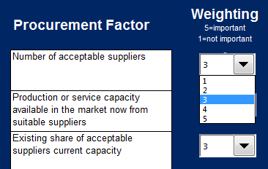
1 | Weight the relative impact of each criteria using the drop down box
 | (5 is high importance and 1 is the lowest)
 | You can use the existing 'Procurement Factors' or add your own criteria

2 | Rate the relative strength of Buyer -v- Supplier for each of the criteria using the sliders
 | Make a note of any required actions in the notes column

3 | The tool will calculate the relative strength of each party based upon your ratings
 | Note: Both 'weighting' and the 'slider rating' is needed for each criteria

