Instructions
Stakeholder Analysis - Instructions

Objective

To analyse project stakeholders to understand and manage their impact on the project

Objective

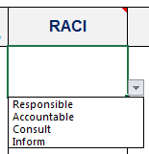
1 | For each internal (e.g. business units, approvers) and external (e.g. agencies, legal services) stakeholder indentify their RACI role by using the drop down list.

2 | Identify their likely areas of support, possible objections to the project and 'hot buttons' (personal sensitive issues).

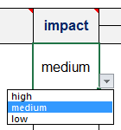
3 | Rate the stakeholders potential impact on the project using the drop down list.

4 | Identify a communcations plan for each stakeholder to ensure that their impact on the project is managed successfully.

