Instructions
Nov-22 | SCM0007 | 12345678912 - ZZZZZ Recruitment | ABC Pty Ltd | 52 Marting Place | Sydney | 2000 | 12345678912 | Richard Brown | C_Specialist | Lease (Administrator or Negotiator) | Green | White | 1-Jan-23 | 31-Dec-23 | 35.00 | 0.00 | 0.00 | 50.00 | 25.00 | 100.00 | 5.00 | 6.00 | 5.00 | 5.00 | 71.00 | 35.50 | 142.00 | $4,970.00 | 1-Nov-22 | INV123123 | PO321321
Month (Enter Column AE only) | SCM0007 (this does not change) | Supplier Name (use drop-down list) | Agency (use drop-down list) | Location (Street - Physical place where contractors work - no PO Box #) | Location (Suburb / Town) | Location Postcode | Customer ABN | Hiring Manager Name | Category (A - N) (use drop-down list) | Role Type Job Description (use drop-down list) | Contractor Surname | Contractor First Name | Customer Order Start Date (original start date at the Agency) | Current Customer Order End Date | Normal hours worked during the week, fortnight or month | T 1/2 hours worked during the week, fortnight or month | 2 T hours worked during the week, fortnight or month | Base hourly rate paid to contractor (ex super) ($ / hour) | Base T 1/2 rate paid to contractor (no super) ($ / hour) | Base 2 T rate paid to contractor (no super) ($ / hour) | Supplier Mark-up ($ / hour) | Super on normal time only ($ / hour) | Payroll Tax ($ / hour) | Workcover ($ / hour) | Total charge rate: Normal rate per hour ($ / hour) | Total charge rate: T 1 /2 per hour ($ / hour) | Total charge rate: 2 T per hour ($ / hour) | Total invoice amount for period (ex GST) ($) | Week, fortnight or month ending (date) | Invoice Number | Purchase Order (PO) Number

Reply with ‘NIL’ in the subject line if, in this reporting month, you’re: | · not supplying workers · supplying all workers through Contractor Central/vendor management system (e.g. SAP FieldGlass and Beeline). | Documment Location:
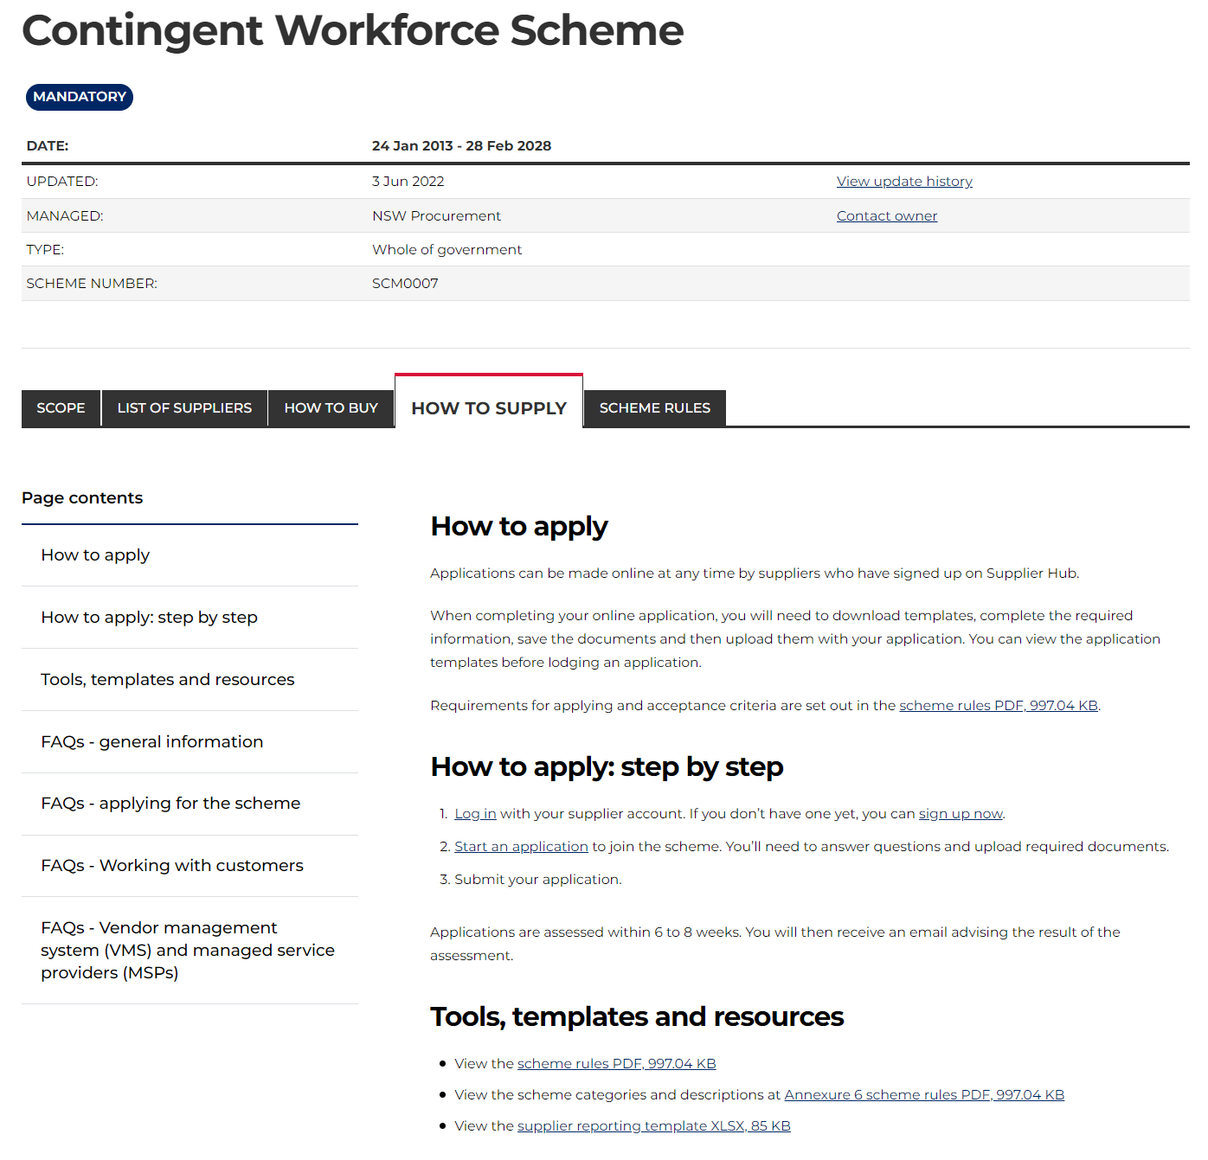
Header | Instructions: Eneter in Data tab, refer to row 1 as example Fill out all fields, except for columns A and B (they’re hidden to prevent confusion).
Month (Enter Column AE only) | No input required
SCM0007 (this does not change) | No input required
Supplier Name (use drop-down list) | Input required - Supplier Name (use drop-down list), if your firm's name is not listed, please contact us do not overwrite
Agency (use drop-down list) | Input required - Agency (use drop-down list), if agency name is not listed, please contact us do not overwrite
Location (Street - Physical place where contractors work - no PO Box #) | Input required - Location (Street - Physical place where contractors work - no PO Box #)
Location (Suburb / Town) | Input required - Location (Suburb / Town)
Location Postcode | Input required - Location Postcode
Customer ABN | Input required - Customer (Agency) ABN
Hiring Manager | Input required - Hiring Manager
Category (A - N) (use drop-down list) | Input required - Category (A - N) (use drop-down list)
Role Type Job Description (use drop-down list) | Input required - Role Type Job Description (use drop-down list), if role type is not listed, please contact us do not overwrite
Contractor Surname | Input required - Contractor Surname
Contractor First Name | Input required - Contractor First Name
Customer Order Start Date (original start date at the Agency) | Input required - Customer Order Start Date (original start date at the Agency)
Current Customer Order End Date | Input required - Current Customer Order End Date
Normal hours worked during the week, fortnight or month | Input required - Normal hours worked during the week, fortnight or month
T 1/2 hours worked during the week, fortnight or month | Input required - T 1/2 hours worked during the week, fortnight or month
2 T hours worked during the week, fortnight or month | Input required - 2 T hours worked during the week, fortnight or month
Base hourly rate paid to contractor (ex super) ($ / hour) | Input required - Base hourly rate paid to contractor (ex super) ($ / hour)
Base T 1/2 rate paid to contractor (no super) ($ / hour) | Input required - Base T 1/2 rate paid to contractor (no super) ($ / hour)
Base 2 T rate paid to contractor (no super) ($ / hour) | Input required - Base 2 T rate paid to contractor (no super) ($ / hour)
Supplier Mark-up ($ / hour) | Input required - Supplier Mark-up ($ / hour)
Super on normal time only ($ / hour) | Input required - Super on normal time only ($ / hour)
Payroll Tax ($ / hour) | Input required - Payroll Tax ($ / hour)
Workcover ($ / hour) | Input required - Workcover ($ / hour)
Total charge rate: Normal rate per hour ($ / hour) | Input required - Total charge rate: Normal rate per hour ($ / hour)
Total charge rate: T 1 /2 per hour ($ / hour) | Input required - Total charge rate: T 1 /2 per hour ($ / hour)
Total charge rate: 2 T per hour ($ / hour) | Input required - Total charge rate: 2 T per hour ($ / hour)
Total invoice amount for period (ex GST) ($) | Input required - Total invoice amount for period (ex GST) $),delete invoices with zero amount.
Week, fortnight or month ending (date) | Input required - Week, fortnight or month ending (date), follow the date format in the template, do not change
Invoice Number | Input required - Invoice Number, report one invoice per line, leaving no blank lines in between.
Purchase Order (PO) Number | Input required - Purchase Order (PO) Number/Customer Order Nbr your received from the agency

