Supplier Preferencing
 |  | Contract #
 |  | Project/Contract Title:
 |  | Program:
 |  | Last Modified: |  | 12/3/15
Supplier Preferencing

Supplier Name | Annual value of account | Currency | Value of account to supplier | Attractiveness of account to supplier | Supplier Preference :
Supplier A
Supplier B
Supplier C
Supplier D
Supplier E
Supplier F

Supplier Preferencing Graphical Analysis
 | Supplier A | Supplier B | Supplier C | Supplier D | Supplier E | Supplier F

Development Considerations
- Nurture Client
- Expand Business
- Seek new opportunities
Core Considerations
- Cosset client
- Defend rigorously
- High service and response

Nuisance Considerations
- Give low attention
- Low interest
- Lose without pain
Exploitable Considerations
- Drive premium prices
- Seek short term advantage
- Risk losing customer

Spend

Instructions
Supply Preferencing - Instructions

Objective

Supplier Preferencing looks at our business through the eyes of the suppliers to understand their perspective on the buyer/supplier relationship. It uses a similar two by two matrix approach as used in Supply Positioning.

Directions

1 | For each supplier, complete the name, annual value
 | and currency in the first 3 columns of the table

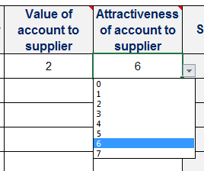

2 | Next, grade the relative attractiveness (of the account
 | from the suppliers perspective) using the drop downs
 | or by typing a number (0-7) in the cells (decimals are
 | allowed). 0 is the lowest and 7 is highest.

3 | The table will calculate the supplier preference for
 | the supplier

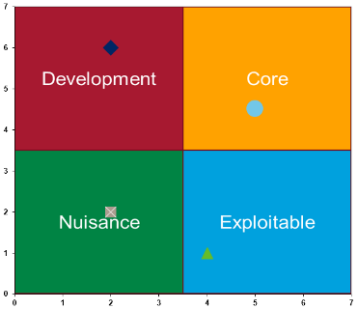
4 | The graph will self complete based on the table

5 | Important considerations have been identified for
 | each supply positioning category.

