Instructions
 | NSW Waste Management and Resource Recovery Contract C9698 - Customer Order Form
 | Instructions & Guidelines

 | The Customer Order Form serves as the tool to collect and validate site specifications and associated rates across awarded waste streams on the 2020 C9698 contract

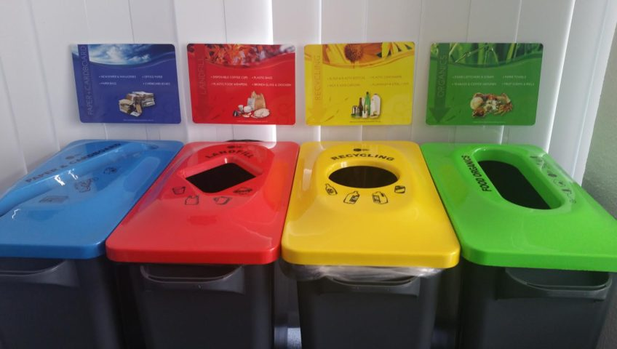
1 | This form is made up of 3 separate sections as outlined below:

 | Sections | Description |  | Instructions
 | SO | Sign-off |  | To be signed off by Customer and Supplier under C9698 Head Agreement
 | 1 | Site List |  | To be completed in full to document sites in scope for core waste management services required.
 | 2 | Site Specifications |  | To be completed in full to document core waste management services required. Rates determined by C9698 Head Agreement.
 | 3 | Site Asset Register |  | To be completed in full to document core waste management services required. Rates determined by C9698 Head Agreement.
 | RG | Reference Guide |  | For information. Summarises service options and drop-down lists in the Customer Order Form

2 | The cells in the various tabs have been colour coded to highlight sections to be completed:

 |  | Information header, do not change
 |  | Information sub-header, questions, instructions, or cells that contain information, do not change
 |  | Information sub-header, questions, instructions, or cells that contain information, do not change
 |  | Cells that may contain pre-populated information for review, do not change values unless directed
 |  | Response cell - these are the only cells you should enter information into. Note that some cells will be free-text, others will have drop down menus

3 | Do NOT change the format or structure of this document. However, you may add rows to operational tables in Tab 1,2,3 as required.
4 | PLEASE REFER TO REFERENCE GUIDE FOR INFORMATION ON WASTE CATEGORISATION, BIN CATEGORISATION AND MORE

 | Site Details |  |  |  |  |  |  |  | Customer Site Contact |  |  | Bill-to Details |  |  |  | Additional Site Details
 | Site ID | Site Name | Street Address | Suburb | Post Code | Region | Service Location | Service Location Address | Name | Phone | Email | Billing Name | Billing Address | Billing Email | Billing Contact | Site Review Date | Additional Requirements | Additional Access Specifications
Example | EFGLMNO1234 | UVW Building | 2 QRS St | Sydney | 2000 | Central & Northern Sydney | WVU | 2 PQS Pl, Sydney 2000 | ABC | 041234567 | abc@xyz.com | UVW Building | 2 QRS St | xyz@abc.com | BCD | 2020-09-12

 | Notes | 1. For schools, last 4 digits of the Site ID replicate the Education cluster school code

 | Collection
 | Site ID | Site Name | Service Location | Waste Stream | Waste Type | Bin/ Equipment Type | Bin/ Equipment Size | Quantity | Service Frequency | Pick-up days (Y) |  |  |  |  |  |  | Collection Rate (in $ excl. GST) | Collection Rates UOM | Additional Disposal Rate (in $ excl. GST) | Landfill Levy Rate (in $ excl. GST) | Additional Disposal, Landfil Levy UOM | Pricing Type | Assumed density (tonne/m3) | Total Rate per Bin (in $ excl GST) | Comments
 |  |  |  |  |  |  |  |  |  | MO | TU | WE | TH | FR | SA | SU
Example | EFGLMNO1234 | UVW Building | WVU | General | General waste dry | Front Lift | 1.5 Cubic Metres | 2 | 2 services a week |  | Y |  |  | Y |  |  | $1.00 | $/collection/bin | $2.00 | $3.00 | $/tonne | Unit Collection Based | 0.10 | $1.75

 | Notes | 1. A density conversion table has been included in RG - as context for pricing type field

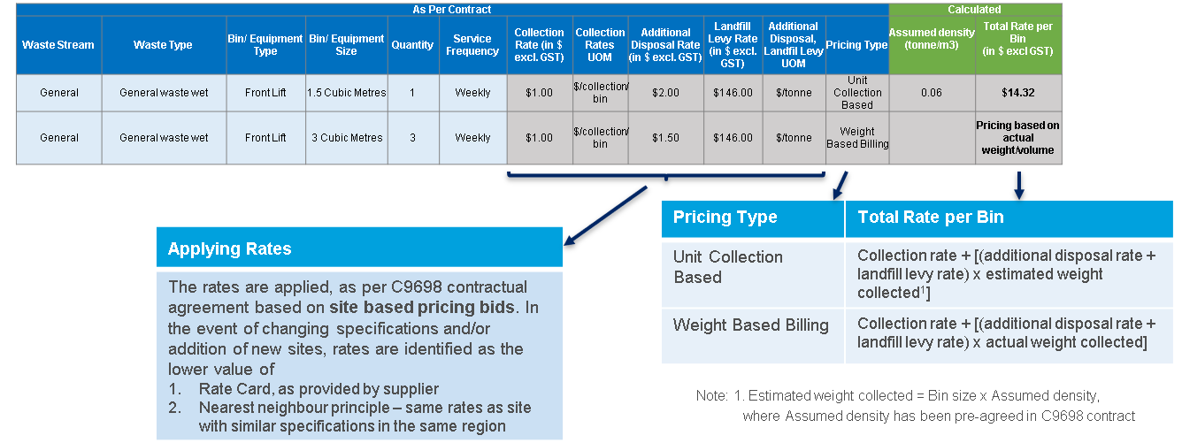
 | Capital and On-Site Waste Equipment |  |  |  |  |  |  |  |  |  |  |  |  |  |  |  | Rate Calculator
 | Site ID | Site Name | Service Location | Waste Stream | Waste Type | Equipment Type | Equipment Size | Equipment Serial Number | Quantity | Asset Ownership | Type of Charge | Equipment Charge Rate ($) | Charge Frequency | Comments
Example | EFGLMNO1234 | UVW Building | WVU | General | General waste dry | Compactor | 9 Cubic Metres | QWERTY123 | 1 | Waste Supplier | Rental | $1.00 | Monthly

 | Notes | 1. Quantity refers to number of bin/other equipment units collected/under rental/service agreement
 |  | 2. Quantity as 1, when using Equipment Serial Number field

 | Stages
 | Stage 1 | NSWP to pre-populate site-specific requirements in the customer order form (COF) by
 |  | - selecting a batch of sites as per the supplier implementation plan and onboarding request from clusters/agencies
 |  | - pre-populating worksheets 1. Site list, 2. Site Specifications & 3. Site Asset register with information from the tender
 | Stage 2 | Supplier to review and update site-specific requirements by scheduling and conducting site reviews with site contacts:
 |  | - to validate/update all site-related information pre-populated by NSWP in COF-Stage 1
 |  | - to update any additional waste recovery requirements, in consultation with site
 | Stage 3 | NSWP to review and add rates for the site-specific requirements in the COF as per tender bids and/or rate card and nearest neighbour principle
 | Stage 4 | Supplier to review rates, populate any outstanding values, validate with NSWP and sign-off
 | Stage 5 | NSWP to finally execute the Customer Order Form by organising final sign-off from cluster/agency representative (Customer)

 | Contact
 | Please contact your Cluster Waste Management representative for any queries regarding this customer order form

 | Email | C9698wastecontract@treasury.nsw.gov.au

Reference Guide
Reference Guide

 | Table 1 |  |  |  |  | Table 3
 | Cluster | Table Guide |  |  |  | Waste Stream | General | Recycling | Organics | Clinical & Related | Liquid waste | Secure Destruction | Hazardous | Other
 | Customer Service | Table 1 | Cluster |  |  | Waste Type | General waste dry | Comingled containers | Food Organics and Garden Organics | Clinical | Cooking oil | Secure destruction paper and cardboard | Hazardous - liquid | Fluorescent tubes/light globes
 | Education | Table 2 | Region |  |  |  | General waste wet | Metals | Food Organics | Cytotoxic | Oily water | Secure destruction IT hardware and media | Hazardous - solid | Toner cartidges
 | Health | Table 3 | Waste Stream & Type |  |  |  | Construction & demolition | Plastics (specify in comments) | Garden Organics | Anatomical | Grease trap | Secure destruction Product | Emergency response | Batteries
 | Planning, Industry & Environment | Table 4 | Bin/Equipment Type & Size |  |  |  | General waste Alternative Waste Treatment (AWT) | Glass | Timber | Clinical sharps | Effluent (specify in comments) | Other Secure destruction (specify in comments) | Other hazardous (specify in comments) | E-waste
 | Premier and Cabinet | Table 5 | Service Frequency (COLLECTION) |  |  |  |  | Paper & cardboard | Other organics (specify in comments) | Pharmaceuticals | Other liquid waste (specify in comments) |  |  | Textiles
 | Regional NSW | Table 6 | Charge Frequency (CAPITAL EQUIPMENT) |  |  |  |  | Rubber |  | Genetically Modified Organisms |  |  |  | Other (specify in comments)
 | Stronger Communities | Table 7 | Equipment Ownership |  |  |  |  | Other recycling (specify in comments) |  | Other clinical (specify in comments)
 | Transport | Table 8 | Collection Rate UOM
 | Treasury | Table 9 | Additional Disposal/Landfill levy UOM
 |  | Table 10 | Type of charge
 |  | Table 11 | Invoice Type
 |  | Table 12 | Incoice Consolidation
 |  | Table 13 | Billing Type
 |  | Table 14 | Density Conversion

 | Table 2 |  | Table 4
 | Region |  | Bin/Equipment Type | Baler | Clinical Related | Clinical Sharps | Compactor | Container Deposit Scheme | Front Lift | Grease Trap | Hook Lift | Marrell | Rear lift | Secure | Tank | Other (specify in comments)
 | Central & Northern Sydney |  | Bin/Equipment Size | Other (specify in comments) | 20 Litres | 14 Litres | 9 Cubic Metres | 240 Litres | 1.5 Cubic Metres | 1000 Litres | 2 Cubic Metres | 3 Cubic Metres | 60 Litres | Bag | Other (specify in comments) | Other (specify in comments)
 | Hunter & Central Coast |  |  |  | 40 Litres | 22 Litres | 18 Cubic Metres | Other (specify in comments) | 3 Cubic Metres | 1500 Litres | 3 Cubic Metres | 4 Cubic Metres | 120 Litres | 60 Litres
 | Illawarra & South East NSW |  |  |  | 50 Litres | 32 Litres | 20 Cubic Metres |  | 3.3 Cubic Metres | 2000 Litres | 4 Cubic Metres | 6 Cubic Metres | 240 Litres | 120 Litres
 | New England |  |  |  | 64 Litres | 64 Litres | 23 Cubic Metres |  | 4.5 Cubic Metres | 3000 Litres | 5 Cubic Metres | 7 Cubic Metres | 360 Litres | 240 Litres
 | North Coast & Mid North Coast |  |  |  | 80 Litres | Other (specify in comments) | 25 Cubic Metres |  | Other (specify in comments) | 4000 Litres | 6 Cubic Metres | 8 Cubic Metres | 660 Litres | Other (specify in comments)
 | Riverina |  |  |  | 120 Litres |  | 30 Cubic Metres |  |  | 5000 Litres | 8 Cubic Metres | 9 Cubic Metres | 1100 Litres
 | Southern & South Western Sydney |  |  |  | 1000 Litres |  | 35 Cubic Metres |  |  | Other (specify in comments) | 10 Cubic Metres | 10 Cubic Metres | Other (specify in comments)
 | Western NSW |  |  |  | Other (specify in comments) |  | Other (specify in comments) |  |  |  | 12 Cubic Metres | 11 Cubic Metres
 | Western Sydney & Blue Mountains |  |  |  |  |  |  |  |  |  | 12.5 Cubic Metres | 12 Cubic Metres
 | Multiple |  |  |  |  |  |  |  |  |  | 15 Cubic Metres | 13 Cubic Metres
 |  |  |  |  |  |  |  |  |  |  | 20 Cubic Metres | 15 Cubic Metres
 |  |  |  |  |  |  |  |  |  |  | 23 Cubic Metres | Other (specify in comments)
 |  |  |  |  |  |  |  |  |  |  | 25 Cubic Metres
 |  |  |  |  |  |  |  |  |  |  | 30 Cubic Metres
 |  |  |  |  |  |  |  |  |  |  | 32 Cubic Metres
 |  |  |  |  |  |  |  |  |  |  | 35 Cubic Metres
 |  |  |  |  |  |  |  |  |  |  | Other (specify in comments)

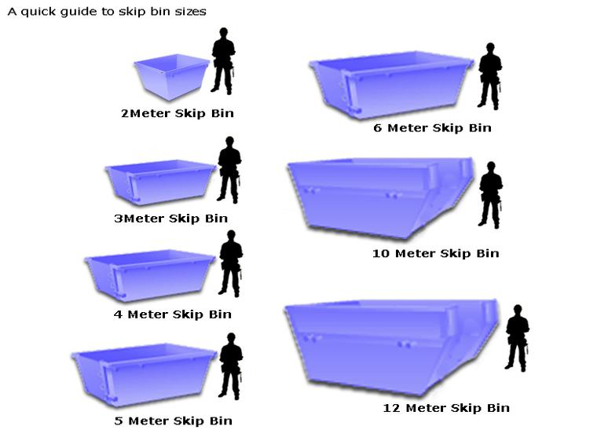
 |  |  |  |  |  |  |  |  |  | Sample illustrative diagrams
 |  |  |  |  |  |  |  |  |  |  |  |  |  | Table 4 Note
 |  |  |  |  |  |  |  |  |  |  |  |  |  | 'Other' may include

 |  |  |  |  |  |  |  |  |  |  |  |  |  | Cage
 | Table 5 |  | Table 6 |  |  |  |  |  |  |  |  |  |  | Crane truck
 | Service frequency |  | Charge Frequency |  |  |  |  |  |  |  |  |  |  | Pail
 | Daily |  | Daily |  |  |  |  |  |  |  |  |  |  | Pallet
 | 2 services a day |  | Weekly |  |  |  |  |  |  |  |  |  |  | Site Use Bin
 | 3 services a day |  | Fortnightly |  |  |  |  |  |  |  |  |  |  | Stillage
 | 4 services a day |  | Monthly |  |  |  |  |  |  |  |  |  |  | Tippler Bin
 | Weekly |  | Bi-monthly |  |  |  |  |  |  |  |  |  |  | Tow Hitch
 | 2 services a week |  | Quarterly |  |  |  |  |  |  |  |  |  |  | Tug
 | 3 services a week |  | Half-yearly |  |  |  | Bin Type: Rear Lift
 | 4 services a week |  | Annually |  |  |  |  |  |  |  |  |  |  | If applicable, please specify as-is from above list
 | 5 services a week |  | Other (specify in comments) |  |  |  |  |  |  |  |  |  |  | Also detail size and UOM, where applicable
 | 6 services a week |  |  |  |  | Table 8 |  |  |  |  | Bin Type: Hook Lift or Marrell (Skip Bins)
 | 7 services a week |  |  |  |  | Collection Rate UOM
 | 8 services a week |  |  |  |  | $/collection/bin |  | Table 12
 | 9 services a week |  |  |  |  | $/hour |  | Invoice Consolidation
 | 10 services a week |  |  |  |  | $/tonne |  | Cluster
 | 11 services a week |  |  |  |  | $/litre |  | Agency |  | Table 14
 | 12 services a week |  |  |  |  |  |  | Region |  | Density Conversion
 | 13 services a week |  |  |  |  |  |  | Custom group
 | Fortnightly |  |  |  |  |  |  | Site
 | Monthly |  | Table 7 |  |  | Table 9 |  |  |  | Waste Stream | Waste Type | Cluster | Density Conversion (kg/m3)
 | Bi-monthly |  | Equipment Ownership |  |  | Additional Disposal/Landfill levy UOM |  |  |  |  |  |  | Front & Rear | Hook/Marrel | Compactor / Packer / Baler | Other
 | Quarterly |  | Waste Supplier |  |  | $/tonne |  | Table 13 |  | General | General waste wet | Health | 40 | 100 | 330 | -
 | Half-yearly |  | Customer |  |  | $/litre |  | Pricing Type |  |  |  | Education | 70 | 100 | 330 | -
 | Annually |  | Other - 3rd Party |  |  |  |  | Unit Collection Based |  |  |  | Other | 60 | 100 | 330 | -
 | 13 weekly |  |  |  |  |  |  | Weight Based Billing |  |  | General waste dry | Health | 40 | 100 | 260 | -
 | 26 weekly |  |  |  |  |  |  |  |  |  |  | Education | 70 | 100 | 260 | -
 | Ad-hoc |  |  |  |  |  |  |  |  |  |  | Other | 60 | 100 | 260 | -
 | On-call |  |  |  |  |  |  |  |  | Organics | Food Organics and Garden Organics | All | 200 | 150 | N/A | -
 | Other (specify in comments) |  | Table 10 |  |  | Table 11 |  |  |  | Recycling | Comingled containers | All | 50 | N/A | N/A | -
 |  |  | Type of Equipment Charge |  |  | Invoice Type |  |  |  |  | Paper & cardboard | All | 30 | N/A | 200 | -
 | Table 5 Note |  | Rental |  |  | Consolidated Invoice - One invoice for multiple sites per month |  |  |  | Secure Destruction | Secure destruction paper and cardboard | All | N/A | N/A | N/A | 160
 | Ad-hoc refers to irregular calls |  | Maintenance |  |  | Site Invoice - One separate invoice per site per month
 | On call refers to relatively regular calls

