Supply Positioning
 |  |  |  | Contract #
 |  |  |  | Project/Contract Title:
 |  |  |  | Program:
 |  |  |  | Last Modified: |  | 6/20/18
Supply Positioning
 | Category 1 | Category 2 | Category 3 | Category 4 | Category 5 | Category 6 | Category 7 | Category 8 | Category 9 | Category 10 | Category 11 | Category 12

Strategic Security Considerations
- Long term contracts
- Indexation
- Stockholding
- Generate Alternatives
- Volume conscious
- Cost Insensitive
Strategic Critical Considerations
- Medium term contract
- Detailed contract
- Supplier Analysis
- Supplier Development
- Price management
- Contingency planning

Tactical Profit Considerations
- Market Knowledge
- Flexibility/risk
- Active sourcing
- Market exploitation
- Short term contracts
Tactical Acquisition Considerations
- System contracting
- Cash with order
- Stockless purchases
- Paperless ordering
- Consignment stocks
- Credit card payment

 | Supply Category | Annual Spend | Currency | Relative Spend | Risk | Supply Position
 | Category 1
 | Category 2
 | Category 3
 | Category 4
 | Category 5
 | Category 6
 | Category 7
 | Category 8
 | Category 9
 | Category 10
 | Category 11
 | Category 12

 | Copyright PMMS Consulting Group Pty Ltd - 2005
 | This spreadsheet may only be used by registered users of PMMS Assist
 | Unauthorised copying or distribution of this spreadsheet may result in prosecution by PMMS Consulting Group Pty Ltd

Instructions
Supply Positioning - Instructions

Objective

To position supply categories in terms of the relative size of the spend and the potential risk to the organisation. This allows us to apply appropriate supply market techniques and strategies to the category to maximise benefits to the buyer.

Directions

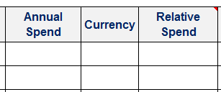
1 | For each supply category complete the name, annual spend
 | and currency in the first 3 columns of the table

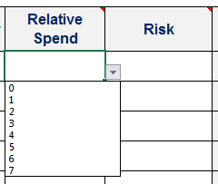
2 | Next, grade the relative spend and risk using the drop downs
 | or by typing a number (0-7) in the cells (decimals are allowed).
 | 0 is the lowest and 7 is highest.

3 | The table will caculate the supply position for the supply category.

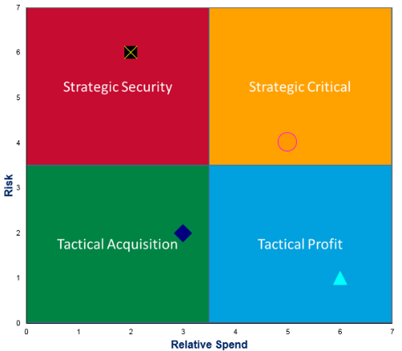
4 | The grapgh will self complete based on the table.

5 | Important considerations have been identified for each supply positioning category.

